Sheet1
GetCare Project Product information
Product name | Product specification | Function | Product specification |  | Technical Features | Product Photo
EMS Facial Mask | This is an EMS device which can be used for facial massage and helps to tighten and lift facial skin. It's lightweight and easy to operate for daily use. Small and light-weighted. | 1). Lifting and tighten the face. 2). Massage and slim the face. 3). Reduce wrinkles. 4). Boost microcirculation. 5). FDA-cleared technology. 6). One-button control makes the device light-weighted and easy to operate. | Main material | ABS+Non-woven fabric | Silver paste with soft non-woven fabrics offer good skin contact. It can be used only with pure water, offers good skin tightening, convenient and low cost One-button detachable control unit with USB charging. | See Attached files
 |  |  | Frequency | 100Hz
 |  |  | Mode | 1
 |  |  | EMS Intensity levels | 5
 |  |  | Auto run session | 10 mins
 |  |  | Charging port | Type-C
 |  |  | Power supply | 3.7V, 40mAh
 |  |  | Product size | 220*205mm
EMS Sleep Aid Pad | GC-S1 EMS Sleep Aid Pad This is an EMS device which can be used for head massage and help your sleep. Designed to provide a simple, easy-to-use & drug-free experience. It's lightweight and easy to operate for daily use. Small and light-weighted. | 1). Lifting and tighten the face. 2). Massage and slim the face. 3). Reduce wrinkles. 4). Boost microcirculation. 5). FDA-cleared technology. 6). One-button control makes the device light-weighted and easy to operate. | Main material | ABS+TPU | The hydrogel patch can be peeled off after falling asleep, will not leave marks on the head. | 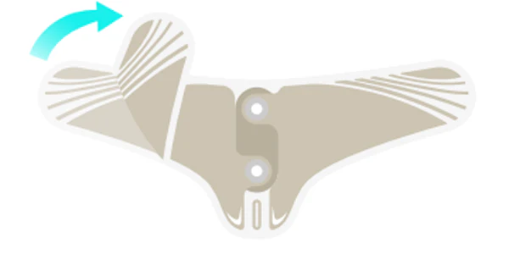
 |  |  | Frequency | 100Hz
 |  |  | Mode | 1
 |  |  | EMS Intensity levels | 5 | Elastic Medical grade conductive patch offers good skin contact and comfortable experience. | 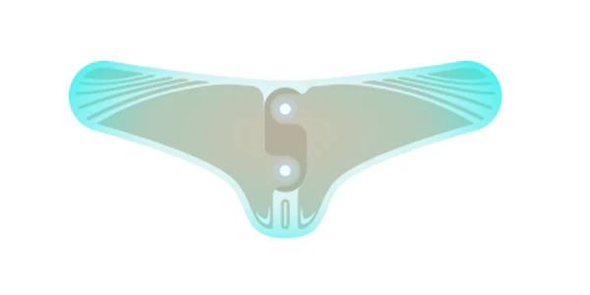
 |  |  | Auto run session | 10 mins
 |  |  | Charging port | Type-C
 |  |  | Power supply | 3.7V, 40mAh | One-button detachable control unit with USB charging. | 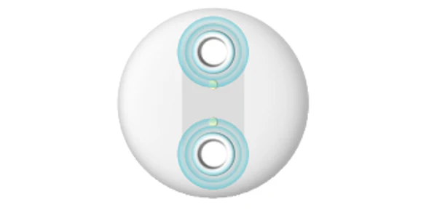
 |  |  | Product size | 88*36mm
Full Arm EMS Exerciser | A8 Full Arm EMS Exerciser Bulding arm strength and endurance, which helps you to achieve better arm exercise effect no need heavy loads. Target Area:Full Arms Main Users:Adults | The Product is indicated for the following purposes. 1.Massage and relax tired muscles 2.Improve blood circulation 3.Building arm strength and endurance 4.Tone and tighten muscles 5.Increase muscle training | Main material | ABS | Working principle Based on EMS (Electrical Muscle Stimulation) technology, this patented EMS arm workout exerciser is designed with a digital display and two handles as electrodes to stimulate your palms, wrists, forearms and arms for muscle contraction and relax. Note: Both your hands must hold on the handles when power is on. Otherwise, you can not feel electrical pulses from your palms. | 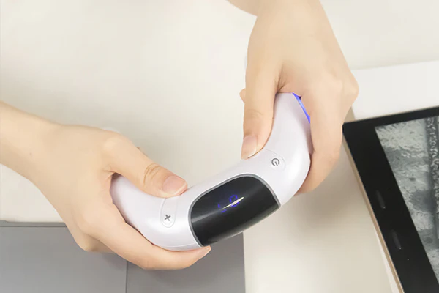
 |  |  | Frequency | 2-140Hz
 |  |  | Mode | 5 Adjustable Modes
 |  |  | EMS Intensity levels | 15
 |  |  | Automatic shutdown | About 15 minutes | Product effect Tone and tighten muscles, get it slimming, building arms strength and endurance without having to spend hours in the gym or lifting heavyweights. | 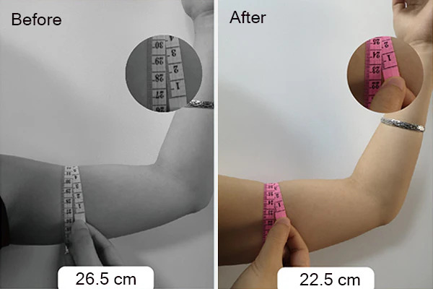
 |  |  | Usage time | About 210 minutes
 |  |  | Battery type | Rechargeable polymer lithium battery
 |  |  | Battery capacity | 350 mAh | Pulse 5 selectable modes with variable frequency, 15 adjustable EMS levels from low to high, to meet different needs of using. So that you can adjust to the comfortable modes and levels you like. | 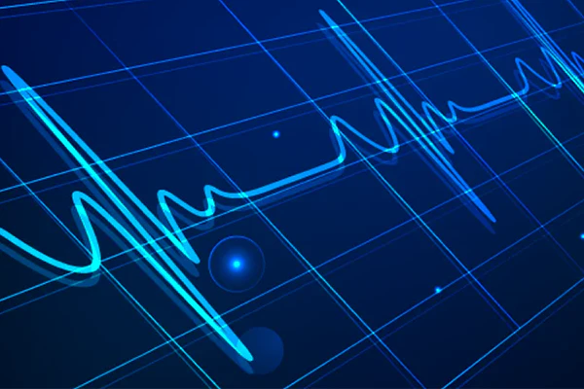
 |  |  | Charging port | Micro-B
 |  |  | Product size | About 167.5×135×38.6mm
EMS Hand Massager | A9 Full Arm EMS Exerciser Bulding arm strength and endurance, which helps you to achieve better arm exercise effect no need heavy loads. Target Area:Full Arms Main Users:Adults | The Product is indicated for the following purposes. 1.Massage and relax tired muscles 2.Improve blood circulation 3.Building arm strength and endurance 4.Tone and tighten muscles 5.Increase muscle training | Main material | ABS | Working principle Based on EMS (Electrical Muscle Stimulation) technology, this patented EMS arm workout exerciser is designed with a digital display and two handles as electrodes to stimulate your palms, wrists, forearms and arms for muscle contraction and relax. Note: Both your hands must hold on the handles when power is on. Otherwise, you can not feel electrical pulses from your palms. | 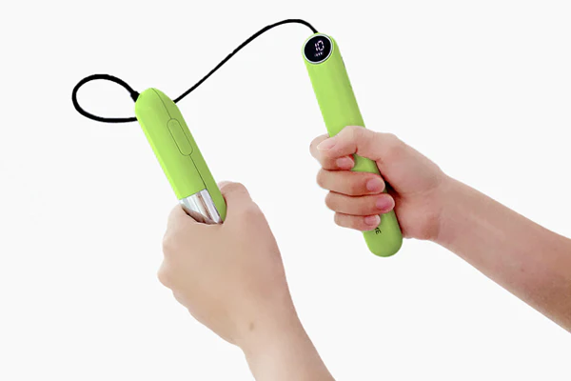
 |  |  | Frequency | 4-200Hz
 |  |  | Mode | 7 Adjustable Modes
 |  |  | EMS Intensity levels | 15
 |  |  | Automatic shutdown | About 10 minutes | Product effect Tone and tighten muscles, get it slimming, building arms strength and endurance without having to spend hours in the gym or lifting heavyweights.
 |  |  | Usage time | About 210 minutes
 |  |  | Battery type | Rechargeable polymer lithium battery
 |  |  | Battery capacity | 350 mAh | Pulse 7 selectable modes with variable frequency, 15 adjustable EMS levels from low to high, to meet different needs of using. So that you can adjust to the comfortable modes and levels you like.
 |  |  | Charging port | Type-C
 |  |  | Product size | About 178*28*24 mm
FlexiTone EMS Leggings Air | GC-L1 EMS Leggings This is an EMS Leggings stimulator. It can be used for pelvic floor/hips/thigh muscle exercises. The controller is detachable and can be charged via a USB-C cable. It is portable, lightweight and easy to operate. S/M/L different sizes can be selected | 1). Tone and tighten the Pelvic floor/hips/thigh muscles 2). Increase the pelvic floor muscle endurance 3). Boost blood circulation 4). Non-presciption,drug free 5). Lightweight,easy to operate | Main material | ABS+Fabric | Product Design High waist design to tighten abdomen. The buttocks selvage flexible support, 3D cutting effect, help lift and tighten the buttocks muscles. | 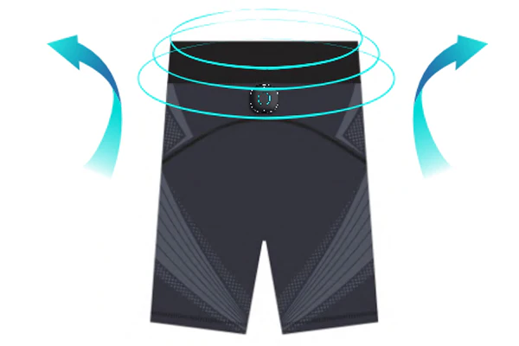
 |  |  | Frequency | 60-100Hz
 |  |  | EMS mode | 7
 |  |  | EMS intensity levels | 15 | Large Electrodes Comfortable and large size carbon electrodes fully fit the skin to ensure better effects, without gel replacement needed. | 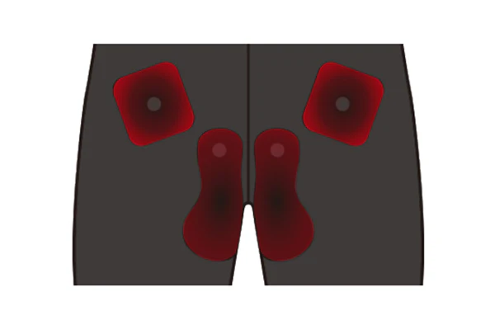
 |  |  | Auto run session | 15mins
 |  |  | Charging port | Type-C | Main Controller Detachable main unit control with 7 modes and 15 intensity levels. Cordless design with built-in USB-C rechargeable lithium battery. | 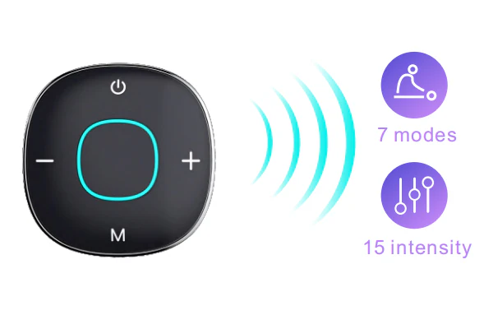
 |  |  | Power supply | 3.7V, 150mA
 |  |  | Product size | S: Waist line: 60cm, Hip line: 64cm, Thigh line: 32cm, Length: 44cm | Our carefully selected materials This legging is used comfortable and flexible fabric material, breathable and softable, brings you good using experience. | 
 |  |  |  | L: Waist line: 66cm, Hip line: 72cm, Thigh line: 36cm, Length: 47cm
EMS Massage Shoes | GC-T1 EMS Massage Shoes This is an EMS foot device for foot massage and relaxation, improving foot blood circulation, and exercising walking strength. Easy to operate for daily use. Small and light-weighted. | 1). Relieve muscle and joint pain 2). Relax feet and eliminate fatigue 3). Boost blood circulation 4). Improve walking strength 5). Lightweight, easy to operate | Main material | ABS+Lycra+PU | Product effect Stimulate the muscles of the feet and calves with low-frequency pulse (EMS) technology to promote blood circulation and relax your feet safely and easily. | 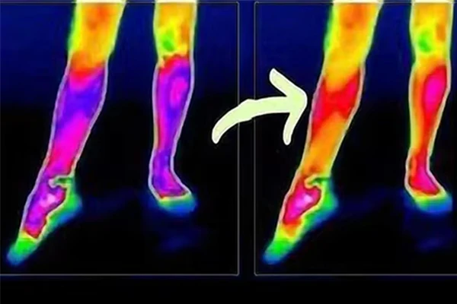
 |  |  | Frequency | 4-50Hz
 |  |  | Mode | 7
 |  |  | EMS Intensity levels | 15 | 7 Adjustable modes with 15 intensity levels Fit from warm-up exercise to strengthen training and finally relax; Low to high level, you can adjust to the comfortable mode you feel and the training effect level you like. | 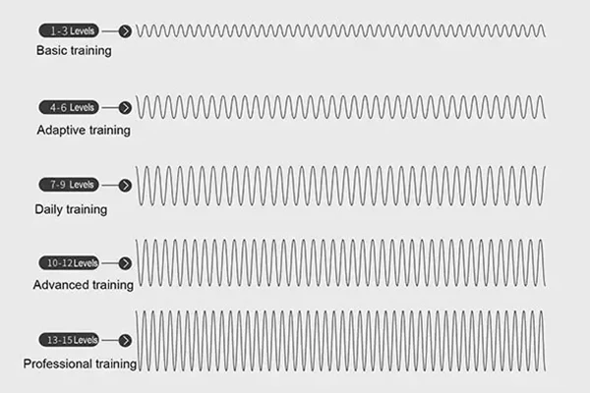
 |  |  | Auto run session | 15 mins
 |  |  | Charging port | Type-C
 |  |  | Power supply | 3.7V, 150mAh | 15-Min Auto Shutdown The 15min timer function saves you the trouble of timing. Target for leg calf muscle training, effectively achieve the effect of feet massaging, relaxing and toning. | 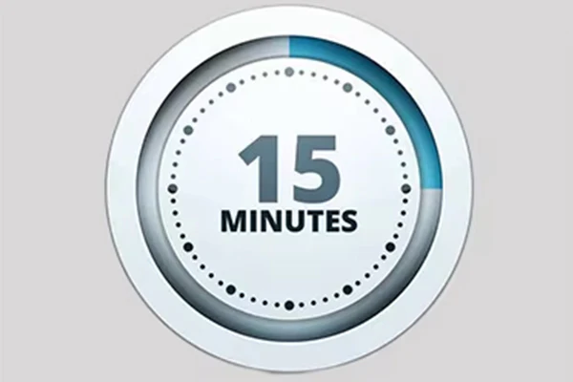
 |  |  | Product size | 320*256mm
2 in 1 EMS Foot Massager with RLT | GC-F5 2 in 1 EMS Foot Massager with RLT This is a 2-in-1 device which includes EMS and Red l ight therapy functions to contract, relax and massage the soles of the feet, ankles and calves, improve blood circulation, and exercise walking ability. Easy to operate for daily use | 1). Relieve muscle and joint pain 2). Relax feet and eliminate fatigue 3). Relieve muscle stiffness and fatigue 4). Boost blood circulation 5). Improve walking strength 6). FDA-cleared technology 7). Lightweight,easy to operate | Main material | PU + ABS | Main unit and program Wireless control through the detachable main unit. It is with 7 different modes and 15 intensity levels from low to high, you can choose the comfortable mode and suitable level you like. | 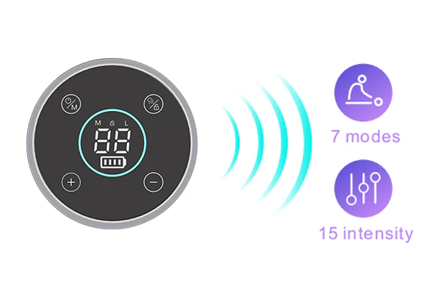
 |  |  | Mode | 7
 |  |  | Pulse Intensity | 15
 |  |  | Automatic shutdown | About 25 minutes
 |  |  | Battery Type | Rechargeable polymer lithium battery | Electrodes 2 in 1, EMS and RLT ensure better massaging, fatigue relieving and muscle toning. Soft and comfortable electrodes fully fit the skin without gel replacement needed. | 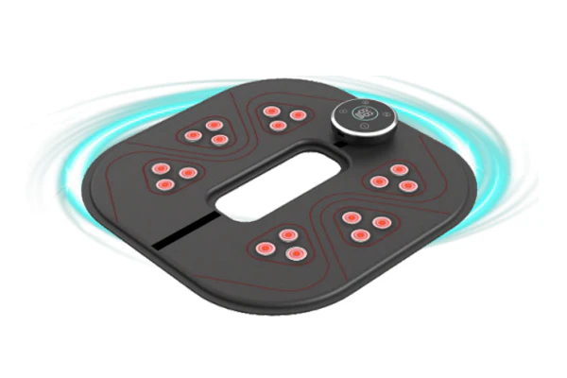
 |  |  | Battery capacity | 2500 mAh
 |  |  | Charging port | Type-C
 |  |  | LED Parameter | 18pcs 660nm/850nm/940nm LED units (total 54 lamps)
3 in 1 EMS Foot Trainer with Heating and RLT | GC08ALX05 3 in 1 EMS Foot Trainer with Heating and RLT EMS+Heating+RLT to better relax feet and eliminated fatigue after working, exercising, prolonged standing ect. To enhance and quicker muscle recovery, reduction of inflammation. | 1). 3 in 1, EMS, RLT and Heating ensure better massaging and muscle toning. 2). 3-level temperature adjustment with precise NTC temperature control. 3). 7 modes and 15 intensity levels 4). Cordless design with USB-C rechargeable battery 4). Multiple electrodes ensure better effects 5). Soft and comfortable electrodes fully fit the skin without gel replacement needed 6). Hot pressing technics, no sewing is required. | Main material | PU + ABS | EMS+Heating Hexagonal conductive silicone electrodes: comfortable and fully fit the skin with perfect contact and no gel pads needed. 3-level temperature adjustment with precise NTC temperature control and real-time temperature monitoring to avoid low-temperature burns. | 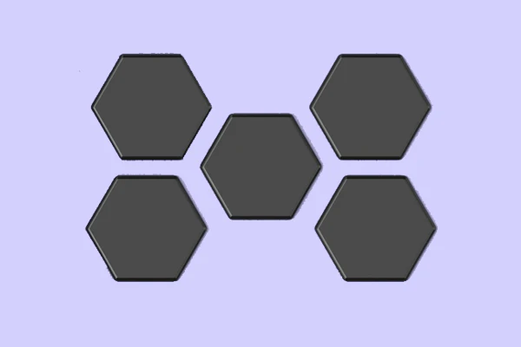
 |  |  | Mode | 7
 |  |  | Pulse Intensity | 15
 |  |  | Automatic shutdown | About 25 minutes
 |  |  | Battery Type | Controller:Rechargeable polymer lithium battery
 |  |  |  | Remote control:Button battery
 |  |  | Battery capacity | 6000 mAh | Red Light Therapy Our LED unit is included the most widely use of lights, 660nm visable light and 850/940nm infrared light is good for pain relief, delay the development of muscle fatigue, Enhance muscle performance, and helps wound heal etc. 8pcs LED units(660*1+850*1+940*1), total 24 lamps. | 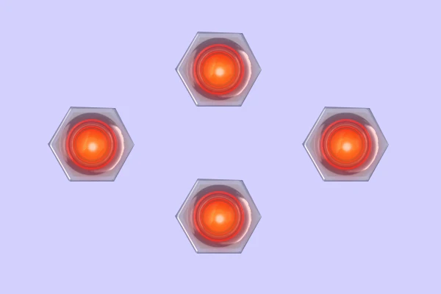
 |  |  | Charging port | Type-C
 |  |  | Ceramic Qty | 14
 |  |  | LED Parameter | 8pcs 660nm/850nm/940nm LED units (total 24 lamps)
 |  |  | Heating Levels | 3 (39℃ / 41℃ / 43℃ ±2℃)
EMS Colorful Foot Massage Mat | S11 EMS Colorful Foot Massage Mat The colorful foot mat can be used feet and legs for muscle and joint pain relief including Arthritis, osteoarthritis, tendonitis esc and also helpful for increasing muscle training and blood circulation. | The foot mat is indicated for the following purposes. 1. Relieve muscle and joint pain 2. Relieve muscle stiffness 3. Increase muscle endurance 4. Boost blood circulation | Main material | TPU + ABS | Working principle Through EMS (Electrical Muscle Stimulation) technology, this foot massager is designed with a foot mat as electrodes to stimulate your feet, ankles, Achilles tendons as well as calf muscles, by offering pain relief, improving blood circulation, toning, massaging and relaxing lower leg muscles. Both your feet are supposed to be in contact with left and right side of the silver layer grids as conductive electrodes when power on. Otherwise, you can not feel electrical pulses from your feet. | 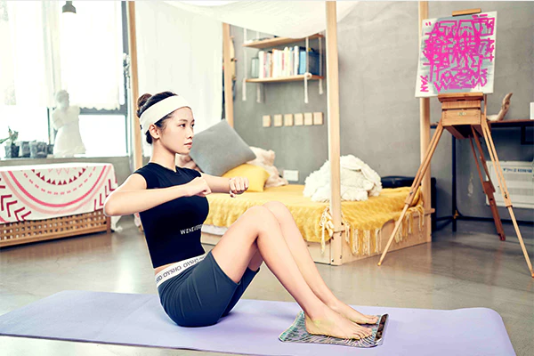
 |  |  | Frequency | 0-70 Hz
 |  |  | Mode | 8 Adjustable Modes | Product effect Stimulate the muscles of the feet and calves with low-frequency pulse (EMS) technology to promote blood circulation and relax your feet safely and easily. | 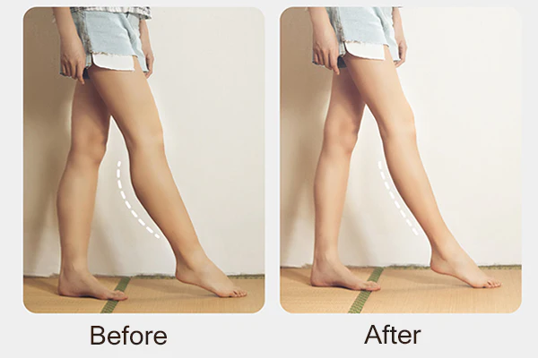
 |  |  | EMS Intensity levels | 15
 |  |  | Automatic shutdown | About 15 minutes | 8 Ajustable modes Fit from warm-up exercise to strengthen training and finally relax, you can adjust according to your needs. | 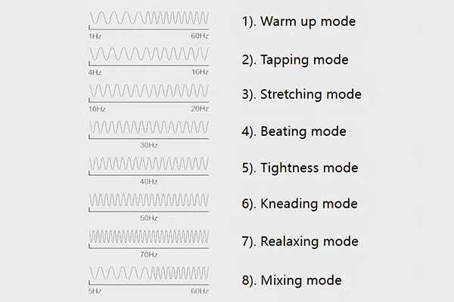
 |  |  | Usage time | About 180 minutes
 |  |  | Battery type | Rechargeable polymer lithium battery | 15 Intensity levels Low to high, you can adjust to the comfortable level you feel and the training effect level you like. | 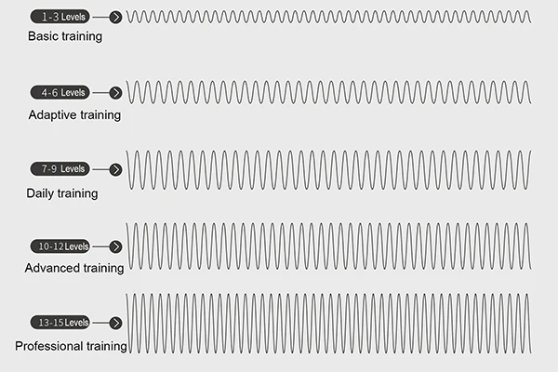
 |  |  | Battery capacity | 300 mAh
 |  |  | Charging port | Type-C | 15-Min Auto Shutdown The 15min timer function saves you the trouble of timing. Target for leg calf muscle training, effectively achieve the effect of feet massaging, relaxing and toning. | 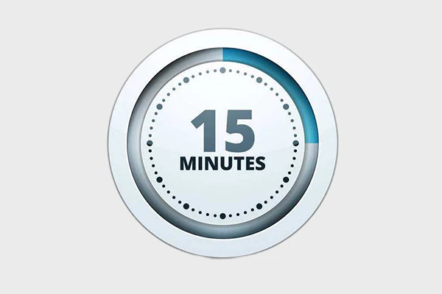
 |  |  | Product size | About 360*338*19mm
EMS Foot Massage Mat | S11C EMS Foot Massage Mat This is an EMS foot device for contracting, relaxing, massaging the soles of the feet, ankles, calves, improving blood circulation, and exercising walking power. Easy to operate for daily use. | 1). 8 modes and 15 intensity levels 2). Control unit with touch buttons and large display 3). Cordless design with USB-C rechargeable battery 4). Large size carbon electrodes ensure better effects 5). Soft and comfortable electrodes fully fit the skin without gel replacement needed 6). Hot pressing technics, no sewing is required. | Main material | PU + ABS | Working principle Through EMS (Electrical Muscle Stimulation) technology, this foot massager is designed with a foot mat as electrodes to stimulate your feet, ankles, Achilles tendons as well as calf muscles, by offering pain relief, improving blood circulation, toning, massaging and relaxing lower leg muscles. Both your feet are supposed to be in contact with left and right side of the silver layer grids as conductive electrodes when power on. Otherwise, you can not feel electrical pulses from your feet. | 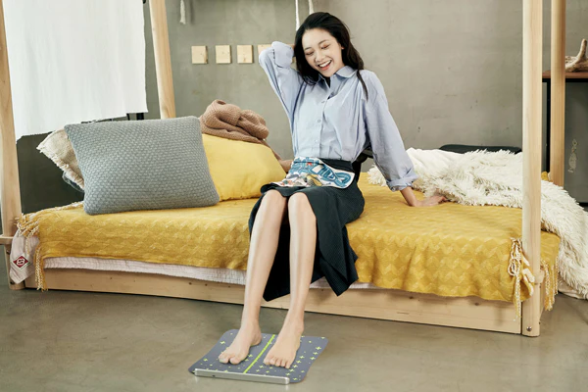
 |  |  | Frequency | 0-70 Hz
 |  |  | Mode | 8 Adjustable Modes | Product effect Stimulate the muscles of the feet and calves with low-frequency pulse (EMS) technology to promote blood circulation and relax your feet safely and easily.
 |  |  | EMS Intensity levels | 15
 |  |  | Automatic shutdown | About 15 minutes | 8 Ajustable modes Fit from warm-up exercise to strengthen training and finally relax, you can adjust according to your needs.
 |  |  | Usage time | About 180 minutes
 |  |  | Battery type | Rechargeable polymer lithium battery | 15 Intensity levels Low to high, you can adjust to the comfortable level you feel and the training effect level you like.
 |  |  | Battery capacity | 300 mAh
 |  |  | Charging port | Type-C | 15-Min Auto Shutdown The 15min timer function saves you the trouble of timing. Target for leg calf muscle training, effectively achieve the effect of feet massaging, relaxing and toning.
 |  |  | Product size | About 360*338*19mm
EMS Foot Massager | S3R-T01 EMS Foot Massager Target area:Feet Main users:Adults | The product is indicated for the following purposes. 1. Relieve muscle and joint pain 2. Relieve muscle stiffness 3. Increase muscle endurance 4. Boost blood circulation | Main material | PU + ABS | Working principle Through EMS (Electrical Muscle Stimulation) technology, this foot massager is designed with a foot mat as electrodes to stimulate your feet, ankles, Achilles tendons as well as calf muscles, by offering pain relief, improving blood circulation, toning, massaging and relaxing lower leg muscles. Both your feet are supposed to be in contact with left and right side of the silver layer grids as conductive electrodes when power on. Otherwise, you can not feel electrical pulses from your feet. | 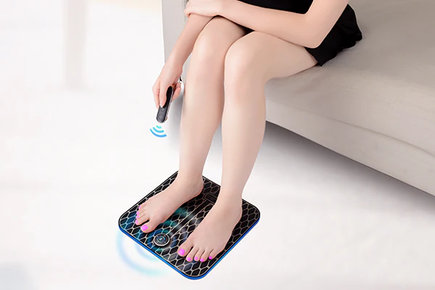
 |  |  | Pulse frequency | 0-41 Hz
 |  |  | Mode | 2 Adjustable Modes
 |  |  | Pulse Intensity | 15
 |  |  | Automatic shutdown | About 25 minutes
 |  |  | Usage time | About 180 minutes | Product effect Stimulate the muscles of the feet and calves with low-frequency pulse (EMS) technology to promote blood circulation and relax your feet safely and easily.
 |  |  | Battery Type | Controller:Rechargeable polymer lithium battery
 |  |  |  | Remote control:Button battery | Pulse 2 selectable modes with variable frequency, 15 adjustable EMS levels from low to high, to meet different needs of using. So that you can adjust to the comfortable modes and levels you like. | 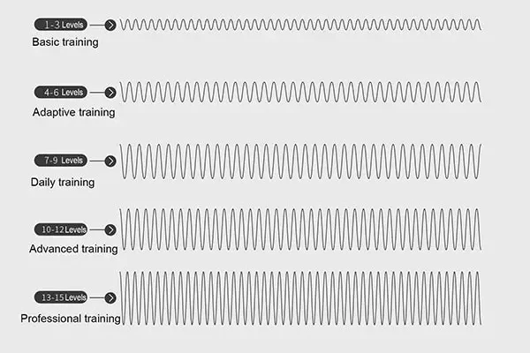
 |  |  | Battery capacity | 90 mAh
 |  |  | Charging port | Micro USB | 25 Mins Auto Shutdown The 25mins timer function saves you the trouble of timing. Target for leg muscle training, effectively achieve the effect of pain relief, feet massaging, relaxing and toning. | 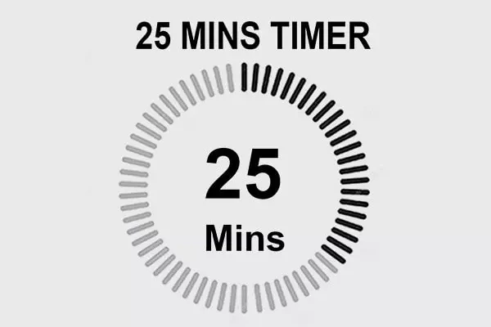
 |  |  | Product size | About 310*310*17mm
3 in 1 EMS Back Belt with Heating and RLT | GC12LA29B 3 in 1 EMS Back Belt with Heating and RLT 3 in 1, EMS+Heating+RLT ensure better toning, relaxing and massaging back muscles, boost blood circulation, enhance and better for quicker muscle recovery. Target area: Lower back | 1. EMS to tone and strengthen back muscles. 2. Comfortable warmth to relieve muscle fatigue and boost blood circulation. 3. Red Light Therapy (RLT) to enhance and quicker muscle recovery, reduction of inflammation. 4. 2 elastic straps to add extra compression. | Main material | ABS+PU | Pulse 7 selectable modes with variable frequency, 15 adjustable EMS levels from low to high, to meet different needs of using. So that you can adjust to the comfortable modes and levels you like.
 |  |  | LED Parameter | 4pcs 660nm/850nm/940nm LED units (total 12 lamps)
 |  |  | Mode | 7
 |  |  | EMS Intensity levels | 15 | Heating 3-level temperature adjustment with precise NTC temperature control and real-time temperature monitoring to avoid low-temperature burns. | 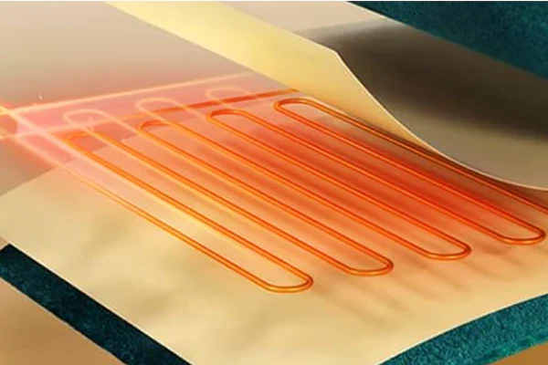
 |  |  | Heating levels | 3
 |  |  | Heating temperature | 39°C/ 41C / 43°C (2C)
 |  |  | Auto run session | 25 Minutes | Red Light Therapy Our LED unit is included the most widely use of lights, 660nm visable light and 850/940nm infrared light is good for pain relief, delay the development of muscle fatigue, Enhance muscle performance, and helps wound heal etc. | 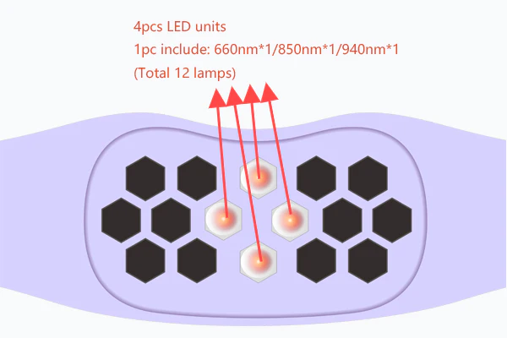
 |  |  | Charging port | Type-C
 |  |  | Power supply | 5000mAh | Our Carefully Selected Materials This belt is crafted from high-quality leather, ensuring durability and comfort during use. The premium leather material not only provides a sleek and stylish look but also offers a soft feel against the skin, making it ideal for extended wear. | 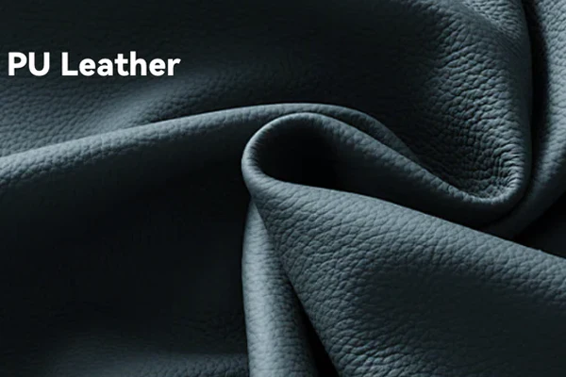
 |  |  | Product size | Belt: 950(length)*120(width)*1.3(thickness) mm
3 IN 1 Lower Back Brace Belt Stimulator with Heating and Red Light Therapy | S30B-B26 3 IN 1 Lower Back Brace Belt Stimulator with Heating and Red Light Therapy 3 in 1, EMS + Heating + Red light therapy features can relieve muscle stiffness and joint pain, increase muscle endurance, better support lumbar spine and boost blood circulation. Approximately 30.7-58.3"/78-148cm | The belt is indicated for the following purposes. 1. Relieve muscle and joint pain 2. Relieve muscle stiffness 3. Increase muscle endurance 4. Support lumbar spine 5. Reduce inflammation 6. Reduce wrinkles 7. Boost blood circulation | Function | EMS + Red light therapy + Heating | Red Light Therapy Red light wavelength: 660nm*2+850nm*1 105 units/315 wicks Red light timer: 5 levels 10/15/20/25/30 minutes | 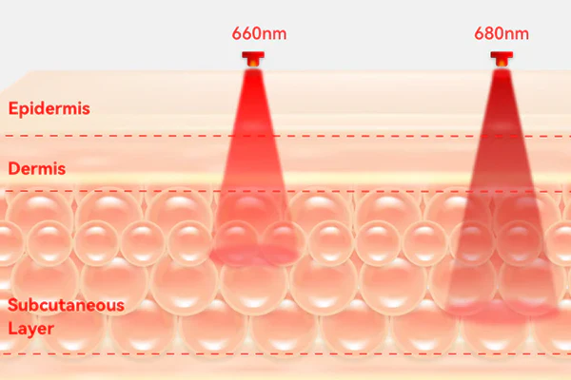
 |  |  | Main materials | Lycra + ABS
 |  |  | Red light wave length | 660nm*2+850nm*1
 |  |  |  | 105 units/315 wicks
 |  |  | Red light timer | 5 levels 10/15/20/25/30 minutes | Heating Red light temperature: 1 level 43℃±2, to give you warm support when using, which is more comfortable and can get better effect.
 |  |  | Red light temperature | 1 level 43°C (士2°C)
 |  |  | Battery type | 10,000 mAh, Rechargeable polymer lithium battery
 |  |  | Charging port | Type-C | Our carefully selected materials Skin friendly and flexible lycra material brings you good wrap and strong support.
 |  |  | Product size | Belt: about 1138*220mm
 |  |  |  | Extension strap:about 450*100mm
3 IN 1 Lower Back Brace Belt Stimulator with Heating and Tourmaline | S28A-B21D 3 IN 1 Lower Back Brace Belt Stimulator with Heating and Tourmaline 3 in 1, Pulse+Heating+Tourmaline features relieve muscle stiffness and joint pain, increase muscle endurance, better support lumbar spine and boost blood circulation. Approximately 29.6-56.7"/75-144cm | The belt is indicated for the following purposes. 1. Relieve muscle and joint pain 2. Relieve muscle stiffness 3. Increase muscle endurance 4. Support lumbar spine 5. Boost blood circulation | Main material | Lycra + ABS | Pulse 7 selectable modes with variable frequency, 15 adjustable EMS levels from low to high, to meet different needs of using. So that you can adjust to the comfortable modes and levels you like.
 |  |  | Frequency | 0-100Hz
 |  |  | Mode | 7 Adjustable Modes
 |  |  | EMS Intensity levels | 15 | Heating 3-level temperature adjustment with precise NTC temperature control and real-time temperature monitoring to avoid low-temperature burns.
 |  |  | Heating levels | 3
 |  |  | Heating temperature | 39℃/41℃/43℃±2
 |  |  | Auto run session | 25 Minutes | Red Light Therapy Red light wavelength: 660nm*2+850nm*1 42 units/126 wicks
 |  |  | Charging port | Type-C
 |  |  | Power supply | 2500mAh
 |  |  | Product size | -Belt: about 1100*215mm | Our Selected Materials Skin friendly and breathable Lycra material brings you good wrap and strong support.
 |  |  |  | -Extension strap: about 400*100mm
 |  |  | Main material | Lycra + ABS
 |  |  | Frequency | 0-100Hz
 |  |  | Mode | 7 Adjustable modes
 |  |  | EMS Intensity levels | 15
 |  |  | Heating levels | 3
 |  |  | Heating temperature | 39°C/ 41℃ / 43°C±2
 |  |  | Automatic shutdown | About 25 minutes
 |  |  | Usage time | About 250 minutes
 |  |  | Battery type | Rechargeable polymer lithium battery
 |  |  | Battery capacity | 2500mAh
 |  |  | Charging port | Type-C
 |  |  | Product size | -Belt: about 1,000*190mm
 |  |  |  | -Extension strap: about 400*70mm

